Dashboard - Sample
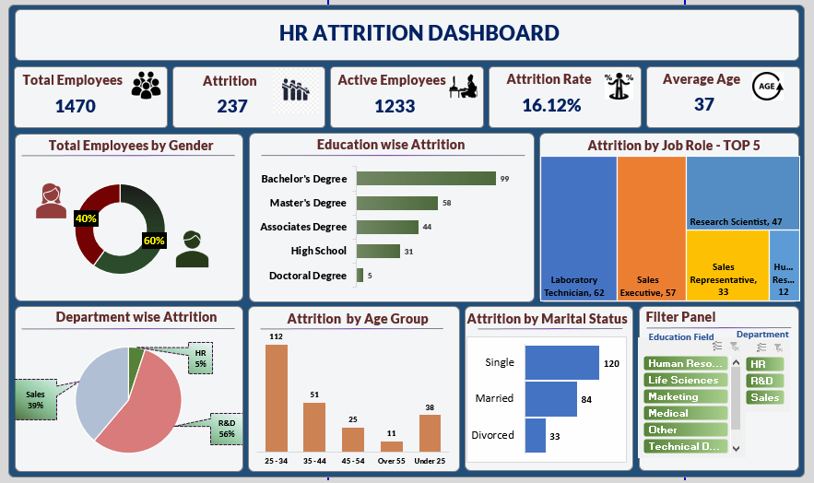

Main Dashboard
`
1470
Total Employees
237
Total Attritions
1233
Active Employees
16.12%
Attrition Rate
37
Average Age
HR Attrition Dashboard

Attrition by Education
 | Yes
Associates Degree | 44
Bachelor's Degree | 99
Doctoral Degree | 5
High School | 31
Master's Degree | 58
Total Employees By Gender
 | Total
Female | 40%
Male | 60%

Attrition by Department
 | Total
HR | 12
R&D | 133
Sales | 92
Attrition by Age Group
 | Total
25 - 34 | 112
35 - 44 | 51
45 - 54 | 25
Over 55 | 11
Under 25 | 38
Attrition by Marital Status
 | Total
Divorced | 33
Married | 84
Single | 120
Filter Panel

Education
Count of Education | Column Labels
Row Labels | Yes | Grand Total
Associates Degree | 44 | 44
Bachelor's Degree | 99 | 99
Doctoral Degree | 5 | 5
Attrition by Education
High School | 31 | 31
Master's Degree | 58 | 58
Grand Total | 237 | 237

Gender
Row Labels | Count of Gender
Female | 40%
Male | 60%
Grand Total | 100%

Department
Attrition | Yes

Row Labels | Count of Department
HR | 12
R&D | 133
Sales | 92
Grand Total | 237

Age Group
Attrition | Yes

Row Labels | Count of CF_age band
25 - 34 | 112
35 - 44 | 51
45 - 54 | 25
Over 55 | 11
Under 25 | 38
Grand Total | 237

Marital Status
Attrition | Yes

Row Labels | Count of Marital Status
Divorced | 33
Married | 84
Single | 120
Grand Total | 237

